20260325_Map
 |  |  | LLM
ID | Model (Coding Agent+LLM) | Success Rate (%Resolved) | Parameter(Total) | Parameter(Activated) | total_size(GB) | (Info) | Link (Model info)
19 | OpenHands + Qwen3-Coder-480B | 69.6 | 480 | 35 | 960 |  | https://huggingface.co/Qwen/Qwen3-Coder-480B-A35B-Instruct?show_file_info=model.safetensors.index.json | https://qwenlm.github.io/blog/qwen3-coder/
 | Lingxi v1.5 x Kimi K2 | 71.2 | 1024 | 32
 | Qwen3.5-397B | 76.4 | 397 | 17
 | Qwen3.5-27B | 72.4 | 27
 | Kozuchi mini-swe-agent + Qwen3.5-27B | 74.8 | 27
 | Kimi-K2.5-1T | 76.8 | 1100 | 32
 | mini-SWE-agent + MiniMax M2.5 | 75.8 | 229
137 | Code World Model | 65.8 | 32.6 |  |  |  | https://huggingface.co/facebook/cwm | https://ai.meta.com/research/publications/cwm-an-open-weights-llm-for-research-on-code-generation-with-world-models/

 | Model (Coding Agent+LLM)
480 | 69.6
1024 | 71.2
397 | 76.4
27 | 72.4
27 | 74.8
1100 | 76.8
229 | 75.8
32.6 | 65.8

20260407_java_Map
 |  |  | LLM
ID | Model (Coding Agent+LLM) | Success Rate (%Resolved) | Parameter(Total) | Parameter(Activated) | total_size(GB) | (Info) | Link (Model info)
19 | iSWE-OpenModels | 31.25 | 120 | 35 | 960 |  | https://huggingface.co/Qwen/Qwen3-Coder-480B-A35B-Instruct?show_file_info=model.safetensors.index.json | https://qwenlm.github.io/blog/qwen3-coder/
 | CodeArts Agent + CodeArts-MiniMax-M2.5 | 43.75 | 229 | 32
 | MSWE-agent + CodeArts-MiniMax-M2.5 | 27.34 | 229 | 17
 | MagentLess + Llama-4-Maverick | 14.84 | 402
 | Kozuchi mini-swe-agent + Qwen3.5-27B | 32 | 27
 | MagentLess + Qwen2.5-72B-Instruct | 10.94 | 72 | 32
 | MSWE-agent + Llama-4-Maverick | 6.25 | 402
137 | MopenHands + Llama-4-Maverick | 6.25 | 402 |  |  |  | https://huggingface.co/facebook/cwm | https://ai.meta.com/research/publications/cwm-an-open-weights-llm-for-research-on-code-generation-with-world-models/

 | Model (Coding Agent+LLM)
120 | 31.25
229 | 43.75
229 | 27.34
402 | 14.84
27 | 32
72 | 10.94
402 | 6.25
402 | 6.25

20250924_Map
 |  |  |  |  |  |  | LLM
ID | Model (Coding Agent+LLM) | LLM | Success Rate (%Resolved) | Date | Local LLM | Leaderboard | Parameter(Total) | Parameter(Activated) | total_size(GB) | (Info) | Link (Model info)
1 | EPAM AI/Run Developer Agent v20250719 + Claude 4 Sonnet |  | 76.8 | 2025-08-04 | X | 1 |  |  |  |  | Filter for mapping | https://www.epam.com/services/artificial-intelligence
2 | ACoder |  | 76.4 | 2025-08-19 | X | 1 |  |  |  |  |  | https://github.com/ACoder-AI/ACoder
3 | TRAE |  | 75.2 | 2025-06-12 | X | 1 |  |  |  |  |  | https://github.com/bytedance/trae-agent
4 | Harness AI |  | 74.8 | 2025-07-31 | X | 1 |  |  |  |  |  | https://www.harness.io/
5 | Lingxi-v1.5_claude-4-sonnet-20250514 |  | 74.6 | 2025-07-20 | X | 1 |  |  |  |  |  | https://github.com/nimasteryang/Lingxi
6 | Refact.ai Agent |  | 74.4 | 2025-06-03 | X | 1 |  |  |  |  |  | https://refact.ai/
7 | Tools + Claude 4 Opus (2025-05-22) |  | 73.2 | 2025-05-22 | X | 1 |  |  |  |  |  | https://www.anthropic.com/
8 | Tools + Claude 4 Sonnet (2025-05-22) |  | 72.4 | 2025-05-22 | X | 1 |  |  |  |  |  | https://www.anthropic.com/
9 | Qodo Command |  | 71.2 | 2025-07-15 | X | 1 |  |  |  |  |  | https://www.qodo.ai/
10 | Bloop |  | 71.2 | 2025-07-10 | X | 1 |  |  |  |  |  | https://bloop.ai/
11 | Warp |  | 71 | 2025-06-23 | X | 1 |  |  |  |  |  | https://www.warp.dev/
12 | Moatless Tools + Claude 4 Sonnet |  | 70.8 | 2025-06-11 | X | 1 |  |  |  |  |  | https://github.com/aorwall/moatless-tools
13 | TRAE |  | 70.6 | 2025-05-19 | X | 1 |  |  |  |  |  | https://www.trae.ai/
14 | Refact.ai Agent |  | 70.4 | 2025-05-15 | X | 1 |  |  |  |  |  | https://refact.ai/
15 | OpenHands + Claude 4 Sonnet |  | 70.4 | 2025-05-24 | X | 1 |  |  |  |  |  | https://all-hands.dev/
16 | Augment Agent v1 |  | 70.4 | 2025-06-10 | X | 1 |  |  |  |  |  | https://www.augmentcode.com/
17 | devlo |  | 70.2 | 2025-05-19 | X | 1 |  |  |  |  |  | https://devlo.ai/?utm_source=swe-bench
18 | Zencoder (2025-04-30) |  | 70 | 2025-04-30 | X | 1 |  |  |  |  |  | https://zencoder.ai/
19 | OpenHands + Qwen3-Coder-480B-A35B-Instruct | Qwen3-Coder-480B-A35B-Instruct | 69.6 | 2025-08-05 | O | 1 | 480 | 35 | 960 |  | https://huggingface.co/Qwen/Qwen3-Coder-480B-A35B-Instruct?show_file_info=model.safetensors.index.json | https://qwenlm.github.io/blog/qwen3-coder/
20 | Nemotron-CORTEXA |  | 68.2 | 2025-05-16 | X | 1 |  |  |  |  |  | https://research.nvidia.com/labs/adlr/cortexa/
21 | mini-SWE-agent + Claude 4 Opus (20250514) |  | 67.6 | 2025-08-02 | X | 1 |  |  |  |  |  | https://mini-swe-agent.com/latest/
22 | SWE-agent + Claude 4 Sonnet |  | 66.6 | 2025-05-22 | X | 1 |  |  |  |  |  | https://github.com/SWE-agent/SWE-agent
23 | Aime-coder v1 + Anthopic Claude 3.7 Sonnet |  | 66.4 | 2025-05-14 | X | 1 |  |  |  |  |  | https://github.com/SWE-bench/experiments/blob/main/evaluation/verified/20250514_aime_coder/README.md
24 | OpenHands | Claude 3.7 sonnet | 65.8 | 2025-04-15 | X | 1 |  |  |  |  |  | https://www.all-hands.dev/blog/sota-on-swe-bench-verified-with-inference-time-scaling-and-critic-model
25 | Augment Agent v0 |  | 65.4 | 2025-03-16 | X | 1 |  |  |  |  |  | https://www.augmentcode.com/
26 | Amazon Q Developer Agent (v20250405-dev) |  | 65.4 | 2025-04-05 | X | 1 |  |  |  |  |  | https://aws.amazon.com/q/developer/
27 | OpenHands + Kimi K2 | Kimi-K2-Instruct-0905 | 65.4 | 2025-07-16 | O | 1 | 1024 | 32 |  |  | https://huggingface.co/moonshotai/Kimi-K2-Instruct-0905 | https://huggingface.co/moonshotai/Kimi-K2-Instruct-0905
28 | mini-SWE-agent + GPT-5 (2025-08-07) (medium reasoning) |  | 65 | 2025-08-07 | X | 1 |  |  |  |  |  | https://mini-swe-agent.com/latest/
29 | mini-SWE-agent + Claude 4 Sonnet (20250514) |  | 64.93 | 2025-07-26 | X | 1 |  |  |  |  |  | https://mini-swe-agent.com/latest/
30 | W&B Programmer O1 crosscheck5 |  | 64.6 | 2025-01-17 | X | 1 |  |  |  |  |  | https://wandb.ai/
31 | PatchPilot-v1.1 |  | 64.6 | 2025-05-03 | X | 1 |  |  |  |  |  | -
32 | GLM-4.5 |  | 64.2 | 2025-07-28 | X | 1 |  |  |  |  |  | https://chat.z.ai/
33 | AgentScope |  | 63.4 | 2025-02-06 | X | 1 |  |  |  |  |  | https://github.com/modelscope/agentscope
34 | Tools + Claude 3.7 Sonnet (2025-02-24) |  | 63.2 | 2025-02-24 | X | 1 |  |  |  |  |  | https://www.anthropic.com/
35 | Blackbox AI Agent |  | 62.8 | 2025-01-10 | X | 1 |  |  |  |  |  | https://www.blackbox.ai/
36 | EPAM AI/Run Developer Agent v20250219 + Anthopic Claude 3.5 Sonnet |  | 62.8 | 2025-02-28 | X | 1 |  |  |  |  |  | https://www.epam.com/services/artificial-intelligence
37 | SWE-agent + Claude 3.7 Sonnet w/ Review Heavy |  | 62.4 | 2025-02-25 | X | 1 |  |  |  |  |  | https://www.anthropic.com/
38 | CodeStory Midwit Agent + swe-search |  | 62.2 | 2024-12-21 | X | 1 |  |  |  |  |  | https://aide.dev/
39 | OpenHands + 4x Scaled (2024-02-03) |  | 60.8 | 2025-02-03 | X | 1 |  |  |  |  |  | https://all-hands.dev/
40 | Learn-by-interact |  | 60.2 | 2025-01-10 | X | 1 |  |  |  |  |  | https://arxiv.org/pdf/2501.10893
41 | mini-SWE-agent + GPT-5 mini (2025-08-07) (medium reasoning) |  | 59.8 | 2025-08-07 | X | 1 |  |  |  |  |  | https://mini-swe-agent.com/latest/
42 | DeepSWE-Preview + TTS(Bo16) |  | 58.8 | 2025-06-29 | X | 1 |  |  |  |  |  | https://www.swebench.com/agentica-project.com/
43 | mini-SWE-agent + o3 (2025-04-16) |  | 58.4 | 2025-07-26 | X | 1 |  |  |  |  |  | https://mini-swe-agent.com/latest/
44 | Nemotron-CORTEXA |  | 58.2 | 2025-04-10 | X | 1 |  |  |  |  |  | https://research.nvidia.com/labs/adlr/cortexa/
45 | devlo |  | 58.2 | 2024-12-13 | X | 1 |  |  |  |  |  | https://devlo.ai/?utm_source=swe-bench
46 | Emergent E1 (v2024-12-23) |  | 57.2 | 2024-12-23 | X | 1 |  |  |  |  |  | https://emergent.sh/
47 | Gru(2024-12-08) |  | 57 | 2024-12-08 | X | 1 |  |  |  |  |  | https://gru.ai/
48 | SWE-Rizzo |  | 56.6 | 2025-04-05 | X | 1 |  |  |  |  |  | https://gen42.ai/
49 | EPAM AI/Run Developer Agent v20241212 + Anthopic Claude 3.5 Sonnet |  | 55.4 | 2024-12-12 | X | 1 |  |  |  |  |  | https://www.epam.com/services/artificial-intelligence
50 | mini-SWE-agent + Qwen3-Coder 480B/A35B Instruct | Qwen3-Coder-480B-A35B-Instruct | 55.4 | 2025-08-02 | O | 1 | 480 | 35 | 960 |  | https://huggingface.co/Qwen/Qwen3-Coder-480B-A35B-Instruct?show_file_info=model.safetensors.index.json | https://mini-swe-agent.com/latest/
51 | Amazon Q Developer Agent (v20241202-dev) |  | 55 | 2024-12-02 | X | 1 |  |  |  |  |  | https://aws.amazon.com/q/developer/
52 | devlo |  | 54.2 | 2024-11-08 | X | 1 |  |  |  |  |  | https://devlo.ai/?utm_source=swe-bench
53 | mini-SWE-agent + GLM-4.5 (2025-08-22) |  | 54.2 | 2025-08-22 | X | 1 |  |  |  |  |  | https://mini-swe-agent.com/latest/
54 | mini-SWE-agent + Gemini 2.5 Pro (2025-05-06) |  | 53.6 | 2025-07-26 | X | 1 |  |  |  |  |  | https://mini-swe-agent.com/latest/
55 | Bracket.sh |  | 53.2 | 2025-01-20 | X | 1 |  |  |  |  |  | https://bracket.sh/
56 | OpenHands + CodeAct v2.1 (claude-3-5-sonnet-20241022) |  | 53 | 2024-10-29 | X | 1 |  |  |  |  |  | https://docs.all-hands.dev/
57 | mini-SWE-agent + Claude 3.7 Sonnet (20250219) |  | 52.8 | 2025-07-20 | X | 1 |  |  |  |  |  | https://mini-swe-agent.com/latest/
58 | Google Jules + Gemini 2.0 Flash (v20241212-experimental) |  | 52.2 | 2024-12-12 | X | 1 |  |  |  |  |  | https://developers.googleblog.com/en/the-next-chapter-of-the-gemini-era-for-developers/
59 | Engine Labs (2024-11-25) |  | 51.8 | 2024-11-25 | X | 1 |  |  |  |  |  | https://www.enginelabs.ai/
60 | AutoCodeRover-v2.1 (Claude-3.5-Sonnet-20241022) |  | 51.6 | 2025-01-22 | X | 1 |  |  |  |  |  | https://www.autocoderover.net/
61 | OpenHands + Qwen3-Coder-30B-A3B-Instruct | Qwen3-Coder-30B-A3B-Instruct | 51.6 | 2025-08-05 | O | 1 | 30.5 | 3.3 | 61.1 | [Hugging Face: Model card] Model size: 30.5B params, total_size: 61064245248, BF16 | https://huggingface.co/Qwen/Qwen3-Coder-30B-A3B-Instruct?show_file_info=model.safetensors.index.json | https://qwenlm.github.io/blog/qwen3-coder/
62 | Agentless-1.5 + Claude-3.5 Sonnet (20241022) |  | 50.8 | 2024-12-02 | X | 1 |  |  |  |  | 1 | https://github.com/OpenAutoCoder/Agentless
63 | Solver (2024-10-28) |  | 50 | 2024-10-28 | X | 1 |  |  |  |  |  | https://solverai.com/
64 | Bytedance MarsCode Agent |  | 50 | 2024-11-25 | X | 1 |  |  |  |  |  | https://www.marscode.com/
65 | nFactorial (2024-11-05) |  | 49.2 | 2024-11-05 | X | 1 |  |  |  |  |  | https://nfactorial.dev/
66 | Tools + Claude 3.5 Sonnet (2024-10-22) |  | 49 | 2024-10-22 | X | 1 |  |  |  |  |  | https://www.anthropic.com/
67 | Composio SWE-Kit (2024-10-25) |  | 48.6 | 2024-10-25 | X | 1 |  |  |  |  |  | https://github.com/ComposioHQ/composio/tree/master/python/swe/agent
68 | AppMap Navie v2 |  | 47.2 | 2024-11-06 | X | 1 |  |  |  |  |  | https://appmap.io/navie
69 | Skywork-SWE-32B + TTS(Bo8) |  | 47 | 2025-06-16 | X | 1 |  |  |  |  |  | https://quixotic-sting-239.notion.site/eb17f379610040ceb54da5d5d24065bd
70 | OpenHands + DevStral Small 2505 | DevStral Small 2505 | 46.8 | 2025-05-20 | O | 1 | 23.6 |  | 47.1 | [Hugging Face: Model card] Model size: 23.6B params total_size: 47144806400, BF16 | https://huggingface.co/mistralai/Devstral-Small-2505 | https://all-hands.dev/
71 | Emergent E1 (v2024-10-12) |  | 46.6 | 2024-10-23 | X | 1 |  |  |  |  | 1 | https://emergent.sh/
72 | AutoCodeRover-v2.0 (Claude-3.5-Sonnet-20241022) |  | 46.2 | 2024-11-08 | X | 1 |  |  |  |  |  | https://www.autocoderover.net/
73 | PatchPilot + Co-PatcheR |  | 46 | 2025-05-28 | X | 1 |  |  |  |  |  | https://github.com/ucsb-mlsec/Co-PatcheR
74 | Solver (2024-09-12) |  | 45.4 | 2024-09-24 | X | 1 |  |  |  |  |  | https://laredolabs.com/
75 | Gru(2024-08-24) |  | 45.2 | 2024-08-24 | X | 1 |  |  |  |  |  | https://gru.ai/
76 | mini-SWE-agent + o4-mini (2025-04-16) |  | 45 | 2025-07-26 | X | 1 |  |  |  |  |  | https://mini-swe-agent.com/latest/
77 | CodeShellAgent + Gemini 2.0 Flash (Experimental) |  | 44.2 | 2025-01-18 | X | 1 |  |  |  |  |  | https://github.com/WisdomShell/codeshell
78 | mini-SWE-agent + Kimi K2 Instruct | Kimi K2 Instruct (Kimi-K2-Instruct-0905?) | 43.8 | 2025-08-07 | O | 1 | 1024 | 32 |  | Kimi-K2-Instruct-0905とみなして記入 |  | https://mini-swe-agent.com/latest/
79 | Solver (2024-09-12) |  | 43.6 | 2024-09-20 | X | 1 |  |  |  |  |  | https://laredolabs.com/
80 | Amazon Nova Premier 1.0 (2025-04-30) |  | 42.4 | 2025-05-27 | X | 1 |  |  |  |  |  | https://www.swebench.com/aws.amazon.com/nova
81 | Agentless Lite + O3 Mini (20250214) |  | 42.4 | 2025-02-14 | X | 1 |  |  |  |  |  | https://github.com/sorendunn/Agentless-Lite
82 | DeepSWE-Preview |  | 42.2 | 2025-06-29 | X | 1 |  |  |  |  |  | https://www.swebench.com/agentica-project.com/
83 | SWE-Exp |  | 42 | 2025-08-06 | X | 1 |  |  |  |  |  | https://github.com/YerbaPage/SWE-Exp
84 | ugaiforge |  | 41.6 | 2025-01-12 | X | 1 |  |  |  |  |  | -
85 | nFactorial (2024-10-30) |  | 41.6 | 2024-10-30 | X | 1 |  |  |  |  |  | https://nfactorial.dev/
86 | SWE-RL (Llama3-SWE-RL-70B + Agentless Mini) (20250226) | Llama3-SWE-RL-70B | 41.2 | 2025-02-26 | O | 1 | 70.6 |  | 141.1 | githubのREADMEより、meta-llama/Llama-3.3-70B-Instructと判断 | https://huggingface.co/meta-llama/Llama-3.3-70B-Instruct | https://github.com/facebookresearch/swe-rl
87 | Nebius AI Qwen 2.5 72B Generator + LLama 3.1 70B Critic | Qwen 2.5 72B Generator, LLama 3.1 70B Critic | 40.6 | 2024-11-13 | O | 1 |  |  |  |  |  | https://nebius.com/blog/posts/training-and-search-for-software-engineering-agents
88 | Tools + Claude 3.5 Haiku |  | 40.6 | 2024-10-22 | X | 1 |  |  |  |  |  | https://www.anthropic.com/
89 | Honeycomb |  | 40.6 | 2024-08-20 | X | 1 |  |  |  |  |  | https://honeycomb.sh/
90 | Composio SWEkit + Claude 3.5 Sonnet (2024-10-16) |  | 40.6 | 2024-10-16 | X | 1 |  |  |  |  |  | https://github.com/ComposioHQ/composio/tree/master/python/swe/agent
91 | SWE-agent + SWE-agent-LM-32B |  | 40.2 | 2025-05-11 | O | 1 | 32.8 |  |  |  |  | https://swesmith.com/
92 | EPAM AI/Run Developer Agent v20241029 + Anthopic Claude 3.5 Sonnet |  | 39.6 | 2024-10-29 | X | 1 |  |  |  |  |  | https://www.epam.com/services/artificial-intelligence
93 | mini-SWE-agent + GPT-4.1 (2025-04-14) |  | 39.58 | 2025-07-26 | X | 1 |  |  |  |  |  | https://mini-swe-agent.com/latest/
94 | Amazon Q Developer Agent (v20240719-dev) |  | 38.8 | 2024-07-21 | X | 1 |  |  |  |  |  | https://aws.amazon.com/q/developer/
95 | Agentless-1.5 + GPT 4o (2024-05-13) |  | 38.8 | 2024-10-28 | X | 1 |  |  |  |  |  | https://github.com/OpenAutoCoder/Agentless
96 | AutoCodeRover (v20240620) + GPT 4o (2024-05-13) |  | 38.4 | 2024-06-28 | X | 1 |  |  |  |  |  | https://autocoderover.dev/
97 | Skywork-SWE-32B |  | 38 | 2025-06-16 | X | 1 |  |  |  |  |  | https://quixotic-sting-239.notion.site/eb17f379610040ceb54da5d5d24065bd
98 | SWE-agent + DevStral Small 2507 | DevStral Small 2507 | 38 | 2025-07-25 | O | 1 | 23.6 |  | 47.1 |  | https://huggingface.co/mistralai/Devstral-Small-2507 | https://swe-agent.com/
99 | Factory Code Droid |  | 37 | 2024-06-17 | X | 1 |  |  |  |  | 0 | https://www.factory.ai/
100 | mini-SWE-agent + GPT-5 nano (2025-08-07) (medium reasoning) |  | 34.8 | 2025-08-07 | X | 1 |  |  |  |  |  | https://mini-swe-agent.com/latest/
101 | SWE-agent + Claude 3.5 Sonnet |  | 33.6 | 2024-06-20 | X | 1 |  |  |  |  |  | https://github.com/SWE-agent/SWE-agent
102 | SWE-Fixer (Qwen2.5-7b retriever + Qwen2.5-72b editor) | Qwen2.5-7b retriever + Qwen2.5-72b editor | 32.8 | 2025-03-06 | O | 1 |  |  |  |  |  | https://github.com/InternLM/SWE-Fixer
103 | MASAI + GPT 4o (2024-06-12) |  | 32.6 | 2024-06-12 | X | 1 |  |  |  |  |  | https://masai-dev-agent.github.io/
104 | Artemis Agent v1 (2024-11-20) |  | 32 | 2024-11-20 | X | 1 |  |  |  |  |  | https://www.turintech.ai/
105 | nFactorial (2024-10-07) |  | 31.6 | 2024-10-07 | X | 1 |  |  |  |  |  | https://nfactorial.dev/
106 | SWE-Fixer (Qwen2.5-7b retriever + Qwen2.5-72b editor) 20241128 | Qwen2.5-7b retriever + Qwen2.5-72b editor | 30.2 | 2024-11-28 | O | 1 |  |  |  |  |  | https://github.com/InternLM/SWE-Fixer
107 | Lingma Agent + Lingma SWE-GPT 72b (v0925) |  | 28.8 | 2024-10-02 | X | 1 |  |  |  |  |  | https://www.modelscope.cn/models/yingwei/Lingma-SWE-GPT%20(https://www.modelscope.cn/models/yingwei/Lingma-SWE-GPT-v20240925)
108 | mini-SWE-agent + Gemini 2.5 Flash (2025-04-17) |  | 28.73 | 2025-07-26 | X | 1 |  |  |  |  |  | https://mini-swe-agent.com/latest/
109 | EPAM AI/Run Developer Agent + GPT4o |  | 27 | 2024-10-16 | X | 1 |  |  |  |  |  | https://www.epam.com/services/artificial-intelligence
110 | AppMap Navie + GPT 4o (2024-05-13) |  | 26.2 | 2024-06-15 | X | 1 |  |  |  |  |  | https://appmap.io/navie
111 | mini-SWE-agent + gpt-oss-120b | gpt-oss-120b | 26 | 2025-08-07 | O | 1 | 117 | 5.1 | 65.2 | [Hugging Face: Model card] Model size: 120B params, total_size: 65248815744, https://huggingface.co/openai/gpt-oss-120b?show_file_info=model.safetensors.index.json |  | https://mini-swe-agent.com/latest/
112 | nFactorial (2024-10-01) |  | 25.8 | 2024-10-01 | X | 1 |  |  |  |  | 1 | https://nfactorial.dev/
113 | Amazon Q Developer Agent (v20240430-dev) |  | 25.6 | 2024-05-09 | X | 1 |  |  |  |  |  | https://aws.amazon.com/q/developer/
114 | Lingma Agent + Lingma SWE-GPT 72b (v0918) |  | 25 | 2024-09-18 | X | 1 |  |  |  |  |  | https://www.modelscope.cn/models/yingwei/Lingma-SWE-GPT
115 | EPAM AI/Run Developer Agent + GPT4o |  | 24 | 2024-08-20 | X | 1 |  |  |  |  |  | https://www.epam.com/services/artificial-intelligence
116 | mini-SWE-agent + GPT-4.1-mini (2025-04-14) |  | 23.94 | 2025-07-20 | X | 1 |  |  |  |  |  | https://mini-swe-agent.com/latest/
117 | MCTS-Refine-7B |  | 23.2 | 2025-06-27 | X | 1 |  |  |  |  |  | https://mcts-refine.github.io/MCTS-Refine
118 | SWE-agent + GPT 4o (2024-05-13) |  | 23.2 | 2024-07-28 | X | 1 |  |  |  |  |  | https://github.com/SWE-agent/SWE-agent
119 | SWE-agent + GPT 4 (1106) |  | 22.4 | 2024-04-02 | X | 1 |  |  |  |  |  | https://github.com/SWE-agent/SWE-agent
120 | mini-SWE-agent + GPT-4o (2024-11-20) |  | 21.62 | 2025-07-20 | X | 1 |  |  |  |  |  | https://mini-swe-agent.com/latest/
123 | SWE-agent + Claude 3 Opus |  | 15.8 | 2024-04-02 | X | 1 |  |  |  |  |  | https://github.com/SWE-agent/SWE-agent
124 | mini-SWE-agent + Gemini 2.0 flash |  | 13.52 | 2025-07-26 | X | 1 |  |  |  |  |  | https://mini-swe-agent.com/latest/
127 | mini-SWE-agent + Qwen2.5-Coder 32B Instruct | Qwen2.5-Coder 32B Instruct | 9 | 2025-08-03 | O | 1 | 32.8 |  | 65.5 |  | https://huggingface.co/Qwen/Qwen2.5-Coder-32B-Instruct | https://mini-swe-agent.com/latest/
128 | RAG + Claude 3 Opus |  | 7 | 2024-04-02 | X | 1 |  |  |  |  |  | https://github.com/SWE-bench/SWE-bench/tree/main/swebench/inference
129 | RAG + Claude 2 |  | 4.4 | 2023-10-10 | X | 1 |  |  |  |  |  | -
130 | RAG + GPT 4 (1106) |  | 2.8 | 2024-04-02 | X | 1 |  |  |  |  |  | -
131 | RAG + SWE-Llama 7B |  | 1.4 | 2023-10-10 | X | 1 |  |  |  |  |  | -
132 | RAG + SWE-Llama 13B |  | 1.2 | 2023-10-10 | X | 1 |  |  |  |  |  | -
133 | RAG + ChatGPT 3.5 |  | 0.4 | 2023-10-10 | X | 1 |  |  |  |  |  | -
134 | OpenHands + DevStral Small 2507 | DevStral Small 2507 | 53.6 | 2025-07-10 | O | 0 | 23.6 |  | 47.1 | [Hugging Face: Model card] Model size: 23.6B params total_parameters: 23572403200, total_size: 47144806400, BF16 | https://huggingface.co/mistralai/Devstral-Small-2507?show_file_info=model.safetensors.index.json | Devstral Small 1.1. https://mistral.ai/news/devstral-2507
135 | #OpenAIの情報からこの行を埋める | gpt-oss-20b |  |  | O | 0 | 21.5 | 3.6 | 13.8 |  | https://huggingface.co/openai/gpt-oss-20b | https://openai.com/index/introducing-gpt-oss/
136 | #OpenAIの情報からこの行を埋める | gpt-oss-120b | 62.4 |  | O | 0 | 117 | 5.1 | 65.2 |  | https://huggingface.co/openai/gpt-oss-120b | https://www.clarifai.com/blog/openai-gpt-oss-benchmarks-how-it-compares-to-glm-4.5-qwen3-deepseek-and-kimi-k2
137 | Code World Model (CWM) | CWM | 65.8 | 2025-09-24 | O | 0 | 32.6 |  |  |  | https://huggingface.co/facebook/cwm | https://ai.meta.com/research/publications/cwm-an-open-weights-llm-for-research-on-code-generation-with-world-models/

SWE-Bench Verified
 | total_size(GB)
76.8
76.4
75.2
74.8
74.6
74.4
73.2
72.4
71.2
71.2
71
70.8
70.6
70.4
70.4
70.4
70.2
70
69.6 | 960
68.2
67.6
66.6
66.4
65.8
65.4
65.4
65.4
65
64.93
64.6
64.6
64.2
63.4
63.2
62.8
62.8
62.4
62.2
60.8
60.2
59.8
58.8
58.4
58.2
58.2
57.2
57
56.6
55.4
55.4 | 960
...
SWE-Bench Verified
 | Parameter(Total)
76.8
76.4
75.2
74.8
74.6
74.4
73.2
72.4
71.2
71.2
71
70.8
70.6
70.4
70.4
70.4
70.2
70
69.6 | 480
68.2
67.6
66.6
66.4
65.8
65.4
65.4
65.4 | 1024
65
64.93
64.6
64.6
64.2
63.4
63.2
62.8
62.8
62.4
62.2
60.8
60.2
59.8
58.8
58.4
58.2
58.2
57.2
57
56.6
55.4
55.4 | 480
...

縦軸を成功率にする。

参考_CWM論文より
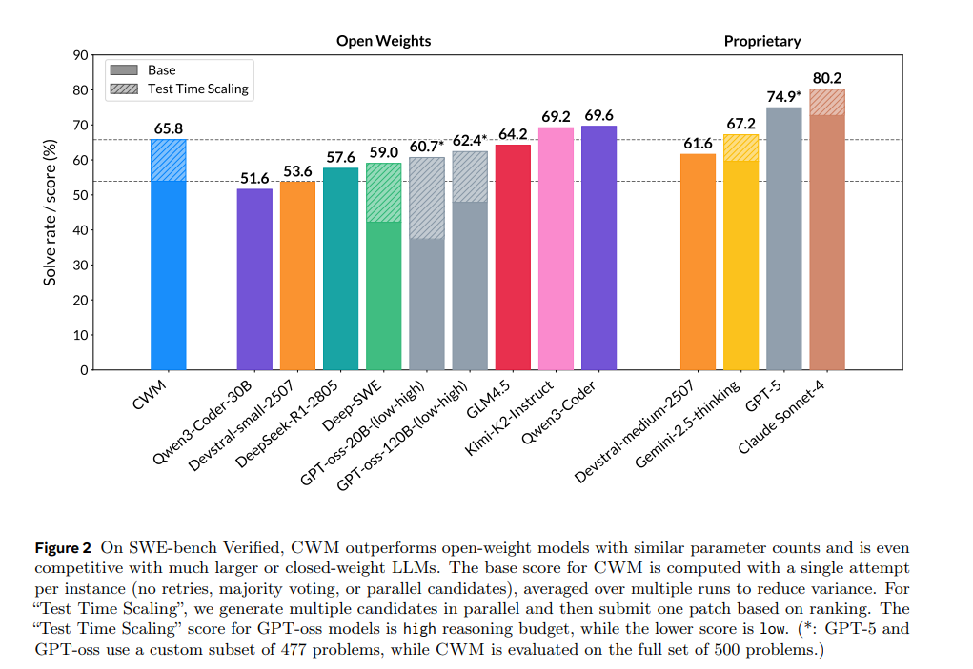
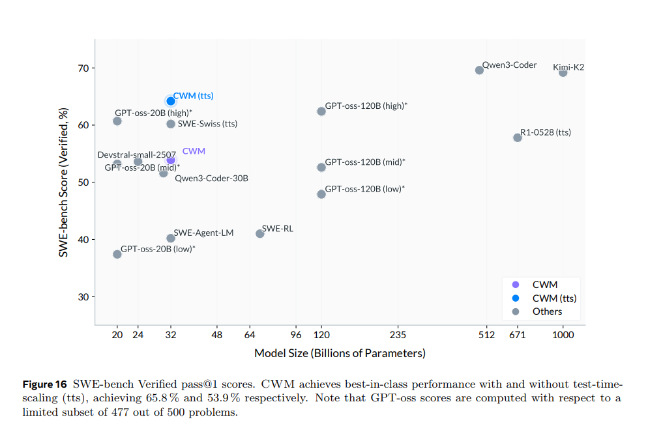
CWM: An Open-Weights LLM for Research on Code Generation with World Models | Research - AI at Meta

参考_Model card
